Python Expert Experience
Questions | Candidate | Experience | Results
def get_value(a, ll=[]): ll.append(a) return ll print(get_value(10)) print(get_value(11)) print(get_value(12)) what will be the output? | Rishabh Jain | Starts with light introduction with the live interviewer (10 mins) Round 1 (Predict the Output Style Questions) Max Duration of the round is 10 mins I was asked 6 questions - 4 correct & 2 wrong (10 mins) It had medium to high complexity Examples The code is throwing error (not specified in the question), What is the error? And How to fix it? What will be the output of the function and explain why? The interviewer also asked the error/exception name raised by python's interpreter Lambda functions and closures in python Tricky questions Difference between is operator and == operator in python Mutable default arguments Round 2 (All test cases should pass) - solved 3 out of 3 (20 mins) Provided Object oriented style code snippet with the aim to pass all the test cases run via unittest framework Round 3 (Write new function) - 1 questions, not solved but interviewer mentioned that there will be steps marking as well. (20 mins) Write a function that returns a specific output. Judges the candidates approach and coding skills. It should also pass the test cases. | 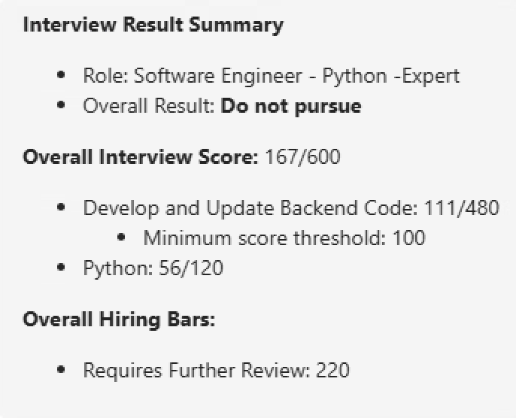
def get_answer(name, age): return "User: "+ name + ", Age: " + age get_answer("Alice", 30)
functions = [] def get_answer(): for i in range(3): functions.append(lambda: i) return functions print(functions[0]()) print(functions[1]()) print(functions[2]())
/* We are writing software to collect and manage data on how fast racers can complete obstacle courses. An obstacle course is a series of difficult physical challenges (like walls, hurdles, and ponds) that a racer must go through. Each course consists of multiple obstacles. The software stores how long it takes for racers to finish each obstacle, and provides useful statistics based on those times. Definitions: * A "run" is a particular attempt to complete an entire obstacle course * A "run collection" is a group of runs on a particular course by the user. * An "obstacle" is a portion of a course. We track how long it takes to finish each portion of the course For example, here are some times for an obstacle course with four obstacles: Obstacles: O1 O2 O3 O4 Run 1: 3 4 5 6 (total: 18 seconds) Run 2: 4 4 4 5 (total: 17 seconds) Run 3: 4 5 4 6 (total: 19 seconds) Run 4: 5 5 3 (13 seconds, but run is incomplete) All of these runs for one obstacle course (including the incomplete run) make up a run collection. 2) We would like to implement a new function in RunCollection called "bestOfBests". This is a measure of how fast a run could be if everything went perfectly, and is determined by taking the fastest times for each obstacle across all runs (even incomplete ones) and summing them. In the run collection above, the times 3, 4, 3, and 5 combine to make a best of bests run of 15 seconds. Implement this function, and add a test to verify that it works. */ import java.util.*; class Course { /* Data about a particular course. */ public String title; // The name of the obstacle course public int obstacleCount; // The number of obstacles in the course public Course(String courseTitle, int obstacles) { title = courseTitle; obstacleCount = obstacles; } @Override public boolean equals(Object o) { if(!(o instanceof Cou | Paranjal
Type | Ligeng Guo
difference between is and ==,w why is does not work here
what is wrong in print (%s%s abc) statement

Tech details
why adding thread for a code that is CPU bound will not help improve performance?
when will multiple thread help with performance?
how do you propose to help improve performance for CPU bound piece of code?

Coding question
Gym membership, find the wrong code, write a method to get each member's workout session, and write another method to get average workout session time

Below is the given code and below that I have added the answer of it comments:

" We are building a program to manage a gym's membership. The gym has multiple members, each with a unique ID, name, and membership status. The program allows gym staff to add new members, update members status, and get membership statistics. Definitions: * A member" is an object that represents a gym member. It has properties for the ID, name, and membership status.
* A "membership" is a class which is used for managing members in the gym.

To begin with, we present you with two tasks:
1-1) Read through and understand the code below. Please take as much time as necessary, and feel free to run the code.
1-2) The test for Membership is not passing due to a bug in the code. Make the necessary changes to Membership to fix the bug.
" from enum import Enum import unittest class MembershipStatus(Enum): "
Membership Status is of three types: BRONZE, SILVER and GOLD.
BRONZE is the default membership a new member gets.
SILVER and GOLD are paid memberships for the gym.
"""
BRONZE = 1
SILVER = 2
GOLD = 3

class Member:
""" Data about a gym member. """
def __init__(self, member_id: int, name: str, membership_status: MembershipStatus):
self.member_id = member_id
self.name = name
self.membership_status = membership_status

def __eq__(self, other):
if not isinstance(other, self.__class__):
return False
return (
self.member_id == other.member_id
and self.name == other.name
and self.membership_status == other.membership_status
)

def __str__(self):
return f"Member ID: {self.member_id}, Name: {self.name}, Membership Status: {self.membership_status}"

class Membership:
"""
Data for managing a gym membership, and methods which staff can
use to perform any queries or updates.
"""
def __init__(self):
self.members = []

def add_member(self, member: Member):
"""Adds a member to the gym"""
self.members.append(member)

def update_membership(self, member_id: int, membership_status: MembershipStatus):
"""Update membership of the given member"""
for member in self.members:
if member.member_id == member_id:
member.membership_status = membership_status
break

def get_membership_statistics(self):
"""Calculates and returns membership statistics for all members"""
total_members = len(self.members)
print("total_member&&&&",total_members)

# below is the code which has issue
total_paid_members = sum(1 for member in self.members if member.membership_status == MembershipStatus.GOLD)

# below is the working solution
# total_paid_members_gold = sum(1 for member in self.members if member.membership_status == MembershipStatus.GOLD)

# total_paid_members_silver = sum(1 for member in self.members if member.membership_status == MembershipStatus.SILVER)

# total_paid_members = total_paid_members_silver + total_paid_members_gold

print("total_paid_mem&&&&",total_paid_members)
conversion_rate = (total_paid_members / total_members) * 100
return {
"total_members": total_members,
"total_paid_members": total_paid_members,
"conversion_rate": conversion_rate
}

class TestSuite(unittest.TestCase):
""" This is not a complete test suite, but tests some basic functionality of
the code and shows how to use it.
"""
def test_member(self):
"""Test Bronze Member functionality"""
test_member = Member(1, "John Doe", MembershipStatus.BRONZE)
self.assertEqual(test_member.member_id, 1)
self.assertEqual(test_member.name, "John Doe")
self.assertEqual(test_member.membership_status, MembershipStatus.BRONZE)

def test_membership(self):
"""Test Bronze Membership functionality"""
test_membership = Membership()
test_member = Member(1, "John Doe", MembershipStatus.BRONZE)
test_membership.add_member(test_member)
self.assertEqual(len(test_membership.members), 1)
self.assertEqual(test_membership.members[0], test_member)

test_membership.update_membership(1, MembershipStatus.SILVER)
self.assertEqual(test_membership.members[0].membership_status, MembershipStatus.SILVER)

test_member_2 = Member(2, "Alex C", MembershipStatus.BRONZE)
test_membership.add_member(test_member_2)

test_member_3 = Member(3, "Marie C", MembershipStatus.GOLD)
test_membership.add_member(test_member_3)

test_member_4 = Member(4, "Joe D", MembershipStatus.SILVER)
test_membership.add_member(test_member_4)

test_member_5 = Member(5, "June R.", MembershipStatus.BRONZE)
test_membership.add_member(test_member_5)

attendance_stats = test_membership.get_membership_statistics ()
self.assertEqual(attendance_stats["total_members"], 5)
self.assertEqual(attendance_stats["total_paid_members"], 3)
self.assertAlmostEqual(attendance_stats["conversion_rate"], 60.00, 1)

if __name__ == "__main__":
unittest.main()
First Section: Q1. On Threading and Sync Code to see code and guess output Q2. Shallow Copy vs Deep Copy Q3. OOPS based code snipped to find bug Q4. Context Manager working in python Q5. List Comprehension Second Section: We are writing software to collect and manage data on how fast racers can complete obstacle courses. An obstacle course is a series of difficult physical challenges (like walls, hurdles, and ponds) that a racer must go through. Each course consists of multiple obstacles. The software stores how long it takes for racers to finish each obstacle, and provides useful statistics based on those times. Definitions: * A "run" is a particular attempt to complete an entire obstacle course * A "run collection" is a group of runs on a particular course by the user. * An "obstacle" is a portion of a course. We track how long it takes to finish each portion of the course For example, here are some times for an obstacle course with four obstacles: Obstacles: O1 O2 O3 O4 Run 1: 3 4 5 6 (total: 18 seconds) Run 2: 4 4 4 5 (total: 17 seconds) Run 3: 4 5 4 6 (total: 19 seconds) Run 4: 5 5 3 (13 seconds, but run is incomplete) All of these runs for one obstacle course (including the incomplete run) make up a run collection. Q1 – Find bug in code and fix test case Q2. Implement best of best for all completed runs Q3- Implement chance of personal best by running 10000 simulations of using existing run data Q4- How can you optimize the code you have implemented Q5 – How can we get the exact time for current run before completion import unittest class Course: """ Data about a particular course. """ def __init__(self, title, obstacle_count): self.title = title # String, the name of the obstacle course self.obstacle_count = obstacle_count # int, the number of obstacles # in | Sayali Gaikwad

Python + GenAI
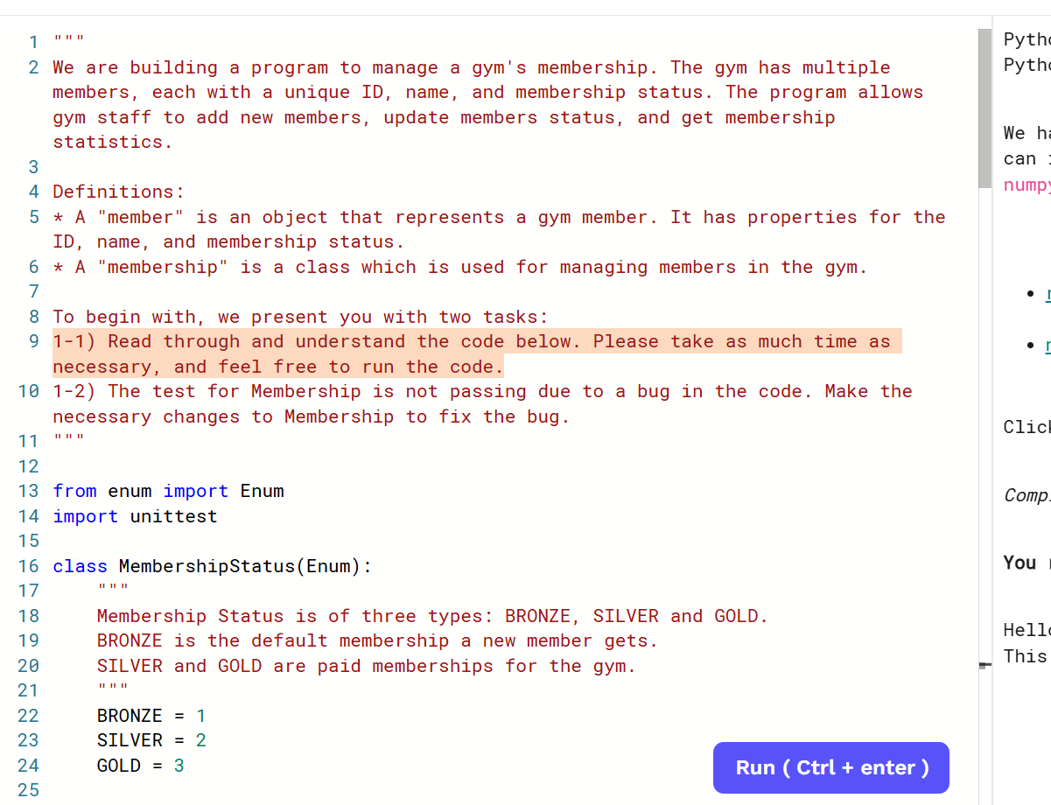
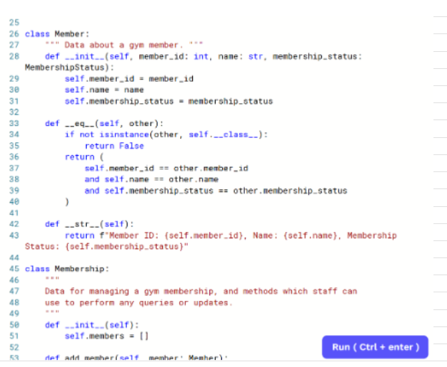
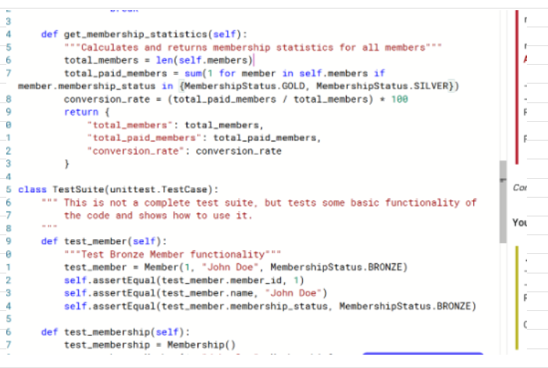
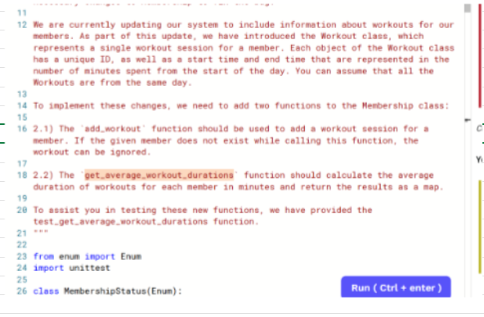
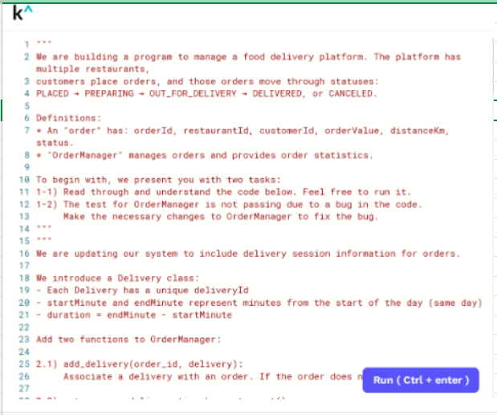
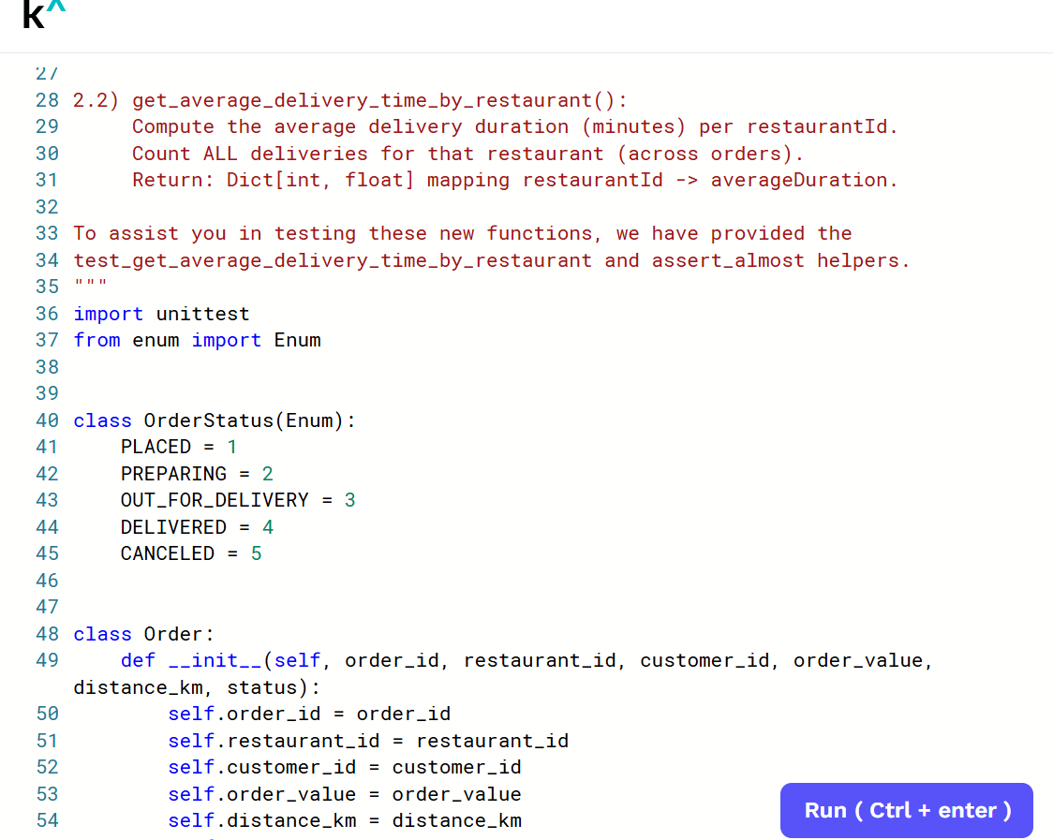
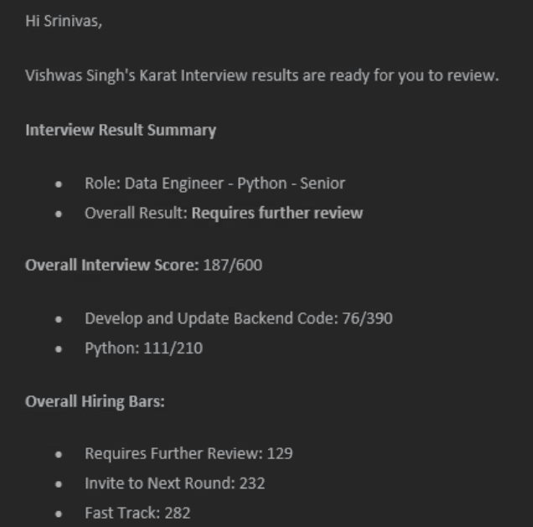
Questions | Candidate | Experience | Results
write the output of the code below: print('the cat + 'wearing the hat') | Vishwas Singh
a = 2 b = 3 value = a+b print(value) print(value + '4') - explain the output and if output would be error then what would be the error.
a=5 b=a a = a+10 print(a) del a print(b)
Convert normal for loop into list comprehension
Solve Lambda Function: cookies = [] add_cookie = lambda x: x.append('cookie') add_cookie(cookies) def add_cookies(x, cookies): x+=1 add_cookie +=1 add_cookies(add_cookie)
Fix the bug
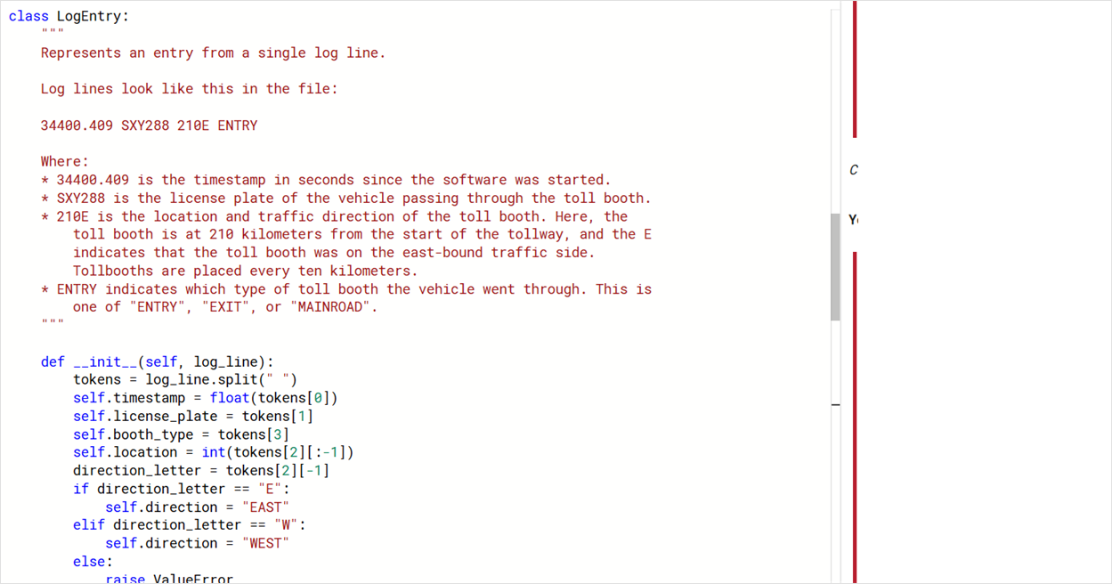

write a new function to calculate the complete journey from the highway log sheet.
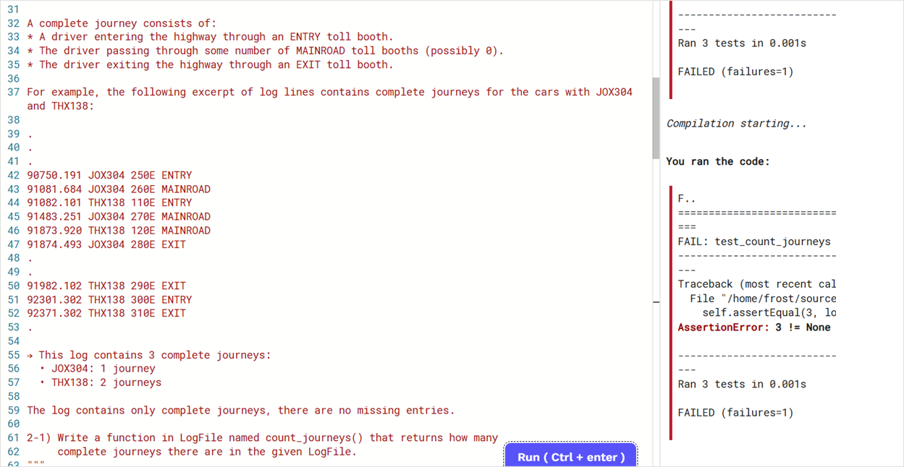

string_ = 'cat' + 'in the hat' print(string_)
a = 2 b = 3 value = a+b print(value) print(value + '4') - explain the output and if output would be error then what would be the error.
what will be the output for the below code def fruits_funct(): return 'apple', 'banana', 'gala' (a,b) = fruits_func()
Convert normal for loop into list comprehension demo_list = [] for x in range(10): demo_list.appent(x/2)
Find out the output of the code. This code was based on inheritance(OOP). class Apple: def __init__(self, color): self.color= "Red" def count(self, count): self.count = 10 class Pear: def __init__(self, color): self.color= "Pink" def count(self, count): self.count = 15 class Fruit: def __init__(self, fruit): self.color = color # dont remember the exact code print(Apple.color) instance1 = Fruit(Apple,Pear) print(instance1.count) fuji = Apple() next_obj = fuji del fuji print(next_obj)
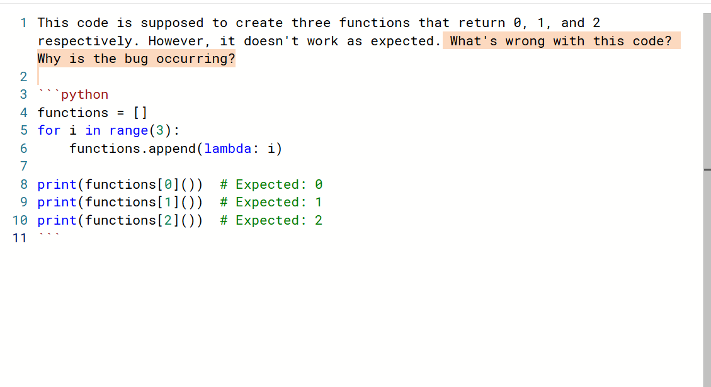 '' We're building the game engine for Thrilling Teleporters, a board game with N+1 tiles, starting from tile 0. Certain tiles contain teleporters that instantly move the player to a specific tile, either forward or backward. For example, here are three teleporters: teleporters1 = [ "3,1", -- From tile 3 to tile 1 "4,2", -- From tile 4 to tile 2 "5,10" -- From tile 5 to tile 10 ] Or as seen on the board: "3,1" ┌─<───<─┐ N = 12 v │ 0 → 1 → 2 → 3 . 4 . 5 . 6 → 7 → 8 → 9 → 10 → 11 → 12 ^ │ │ ^ └─<───<─┘ └──>───>───>───>───>──┘ "4,2" "5,10" After rolling the die: - The player moves forward by the number rolled. - If the player lands on a tile with a teleporter, they are immediately sent to its destination. - The player can’t move past the final tile N, and only one teleporter is used per die roll. To add variety, the die can have any number of sides (minimum 2). Write a function that returns all unique tiles the player can reach in a single die roll, given: - A list of teleporter strings - The number of sides on the die - The player's starting tile - The total number of tiles N Example: The player starts at tile 0 on a board of size N = 12, using a standard 6-sided die and the teleporters defined earlier. They can roll values from 1 to 6, leading to the following tile outcomes: [_, _, _, _, _, _]. - Rolling 1, 2, or 6 lands the player on tiles with no teleporters, so they stay on those tiles → [1, 2, _, _, _, 6]. - Rolling 3 activates a teleporter from tile 3 to tile 1 → updated list: [1, 2, 1, _, _, 6]. - Rolling 4 teleports the player from tile 4 to tile 2 → updated list: [1, 2, 1, 2, _, 6]. - Rolling 5 teleports the player from tile 5 to tile 10 → final list: [1, 2, 1, 2, 10, 6]. Removing duplicates, the final possible tiles are: [1, 2, 10, 6]. Additional Inputs: teleporters2 = ["

Name = 'alice' Age = 42 print("name:" + Name + "age:" + Age) What error will it give?
A=5 B=5 Print(A is B) A=[1, 2,3] B= [1, 2,3] C= A Print ( A==B) Print( A is B) Print (A is c)
def add_item(item_name, items_list=[]): items_list.append(item_name) return items_list print(add_item('Banana')) print(add_item('Milk')) print(add_item('Eggs'))

